Audi
SHANDONG JAD MACHINING CO.,LTD
Audi Control arm
JAD no. | OEM | OEM | Picture | Description | Model | Remark
JAD-A001 | 8E0 407 505A | 8E0 407 505C 8D0 407 505B 8D0 407 505F 8D0 407 505H |  | L | A4/A6/Passat(B5)(2002-2012)
JAD-A002 | 8E0 407 506A | 8E0 407 506C 8D0 407 506B 8D0 407 506F 8D0 407 506H |  | R | A4/A6/Passat(B5)(2002-2012)
JAD-A003 | 8E0 407 509A | 8E0 407 509C 8D0 407 509B 8D0 407 509F 8D0 407 509H |  | L | A4/A6/Passat(B5)(2002-2012)
JAD-A004 | 8E0 407 510A | 8E0 407 510C 8D0 407 510B 8D0 407 510F 8D0 407 510H |  | R | A4/A6/Passat(B5)(2002-2012)
JAD-A005 | 4B3 407 151C小 | 4B0 407 151 4B0 407 151A 4B3 407 151C 4B3 407 151E |  | L/R | A6/A8/Passat(B5) (1994-2005)C5/B5
JAD-A006 | 4D0 407 151C大 | 4D0 407 151B 8D0 407 151E |  | L/R | A4/A6/Passat(B5)(2002-2012)
JAD-A007 | 8E0 407 693E | 4D0 407 693AC 4D0 407 693E |  | L | A4/A6/Passat(B5) (2001-2009)(C5)(2001-2006)
JAD-A008 | 8E0 407 694E | 4D0 407 694AC 4D0 407 694E |  | R | A4/A6/Passat(B5) (2001-2009)(C5)(2001-2006)
JAD-A009 | 8D0 411 317D |  |  | L | A4/A6/Passat(B5) (2001-2009)(C5)(2001-2006)
JAD-A010 | 8D0 411 318D |  | 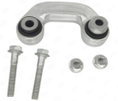 | R | A4/A6/Passat(B5) (2001-2009)(C5)(2001-2006)
JAD-A011 | 4F0 419 811 |  |  | L/R | A4/A6/Passat(B5)(2002-2012)
JAD-A012 | 4D0 422 821 |  |  | L/R | A4/A6/Passat(B5/C5) (2002-2012)
JAD-A013 | 4E0 407 505B | 4E0 407 505F 4E0 407 505E |  | L | A6L(C6)(2004-2012)
JAD-A014 | 4E0 407 506B | 4E0 407 506F 4E0 407 506E |  | R | A6L(C6)(2004-2012)
JAD-A015 | 4E0 407 509B | 4E0 407 509F 4E0 407 509E |  | L | A6L(C6)(2004-2012)
JAD-A016 | 4E0 407 510B | 4E0 407 510F 4E0 407 510E |  | R | A6L(C6)(2004-2012)
JAD-A017 | 4F0 407 151 | 4F0 407 151A |  | L/R | A6L(C6)(2004-2012)
JAD-A018 | 4F0 407 693B | 4F0 407 693 4F0 407 693C 4F0 407 693G 4F0 407 693H |  | L | A6L(C6)(2004-2012)
JAD-A019 | 4F0 407 694B | 4F0 407 694 4F0 407 694C 4F0 407 694G 4F0 407 694H |  | R | A6L(C6)(2004-2012)
JAD-A020 | 4E0 411 317E | 4E0 411 317B |  | L/R | A6L(C6)(2004-2012)
JAD-A021 | 8E0 411 317 |  |  | L | A4(B5)(2000- 2008)
JAD-A022 | 8E0 411 318 |  |  | R | A4(B5)(2000- 2008)
JAD-A023 | 8E0 407 151R | 8E0407151N 8E0407151E 8E0407151K |  | L/R | A4/B6/B7
JAD-A024 | 3C0 407 151E | 3C0 407 151B 3C0 407 151A |  | L/R | Q3（2013- ） Tiguan（2007-2018） Passat/Magotan（2005-2010） | Without ball joint without aluminum seat
JAD-A024-1 | 3C0 407 151E | 3C0 407 151B 3C0 407 151A |  | L/R | Q3（2013- ） Tiguan（2007-2018） Passat/Magotan（2005-2010） | Without ball joint with aluminum seat
JAD-A024-2 | 3C0 407 151E | 3C0 407 151B 3C0 407 151A |  | L | Q3（2013- ） Tiguan（2007-2018） Passat/Magotan（2005-2010） | With ball joint with aluminum seat（assembly）left
JAD-A024-3 | 3C0 407 152E | 3C0 407 152B 3C0 407 152A |  | R | Q3（2013- ） Tiguan（2007-2018） Passat/Magotan（2005-2010） | With ball joint with aluminum seat（assembly）right
JAD-A025 | 8K0 407 505A | 4G0 407 505A |  | L | A4L/A5/Q5(B8)(2007-2017)
JAD-A026 | 8K0 407 506A | 4G0 407 506A |  | R | A4L/A5/Q5(B8)(2007-2017)
JAD-A027 | 8K0 407 509A | 4G0 407 509A |  | L | A4L/A5/Q5(B8)(2007-2017)
JAD-A028 | 8K0 407 510A | 4G0 407 510A |  | R | A4L/A5/Q5(B8)(2007-2017)
JAD-A029 | 8K0 407 151B |  |  | L | A4L/A5/Q5(B8)(2007-2017)
JAD-A030 | 8K0 407 152B |  |  | R | A4L/A5/Q5(B8)(2007-2017)
JAD-A031 | 8K0 407 151A |  |  | L | A4L/A5/Q5(B8)(2007-2017)
JAD-A032 | 8K0 407 152A |  |  | R | A4L/A5/Q5(B8)(2007-2017)
JAD-A033 | 8K0 407 693S |  |  | L | A4L/A5/Q5(B8)(2007-2017)
JAD-A034 | 8K0 407 694S |  |  | R | A4L/A5/Q5(B8)(2007-2017)
JAD-A035 | 8K0 407 693F |  |  | L | A4L/A5/Q5(B8)(2007-2017) | Little joint
JAD-A036 | 8K0 407 694F |  |  | R | A4L/A5/Q5(B8)(2007-2017) | Little joint
JAD-A037 | 8K0 411 317E | 8K0 411 317E |  | L/R | A4L/A5/Q5(B8)(2007-2017)
JAD-A038 | 7L0 407 021 | 7L0 407 021A 7L0 407 021B |  | L/R | Q7(2006-2016) Cayenne（2010- ） Touareg（2010-2018）
JAD-A039 | 7L0 407 151C | 7L0 407 151D 7L0 407 151E 7L0 407 151H |  | L | Touareg/Cayenne（2004-2010）
JAD-A040 | 7L0 407 152C | 7L0 407 152D 7L0 407 152E 7L0 407 152H |  | R | Touareg/Cayenne（2004-2010）
JAD-A041 | 7P0 407 021 |  |  | L/R | Q7/Touareg/Cayenne (2006 - 2018)
JAD-A111 | 7L8 407 021 |  |  | L/R | Q7/Touareg/Cayenne | The 7P0 arm is equipped with the 7L0 bushing JT-025
JAD-A042 | 7P0 407 151 |  |  | L | Q7（2011-2015） Touareg（2011-2018） Cayenne(2010 - 2017)
JAD-A043 | 7P0 407 152 |  |  | R | Q7（2011-2015） Touareg（2011-2018） Cayenne(2010 - 2017)
JAD-A044 | 4E0 407 151L | 4E0 407 151G |  | L/R | A8L（2003-2010）
JAD-A045 | 4E0 407 693C | 4E0 407 693E 4E0 407 693F 4E0 407 693M 4E0 407 693N |  | L | A8L/Phaeton（2002-2010）
JAD-A046 | 4E0 407 694C | 4E0 407 694E 4E0 407 694F 4E0 407 694M 4E0 407 694N |  | R | A8L/Phaeton（2002-2010）
JAD-A047 | 4H0 407 505E |  |  | L | A8L(D4)(2009- 2018)
JAD-A048 | 4H0 407 506E |  |  | R | A8L(D4)(2009- 2018)
JAD-A049 | 4H0 407 509E |  |  | L | A8L(D4)(2009- 2018)
JAD-A050 | 4H0 407 510E |  |  | R | A8L(D4)(2009- 2018)
JAD-A051 | 4H0 407 151/155 |  |  | L | A8L(D4)(2009- 2018)
JAD-A052 | 4H0 407 152/156 |  |  | R | A8L(D4)(2009- 2018)
JAD-A053 | 4H0 407 693 | 4H0 407 693C 4H0 407 693D 4H0 407 693E 4H0 407 693F 4H0 407 693G |  | L | A8L(D4)(2009- 2018)
JAD-A054 | 4H0 407 694 | 4H0 407 694C 4H0 407 694D 4H0 407 694E 4H0 407 694F 4H0 407 694G |  | R | A8L(D4)(2009- 2018)
JAD-A055 | 8W0 407 505A | 8W0 407 505C |  | L | A4L/A5(B9)(2016-2021)
JAD-A056 | 8W0 407 506A | 8W0 407 506C |  | R | A4L/A5(B9)(2016-2021)
JAD-A057 | 8W0 407 509A | 8W0 407 509C |  | L | A4L/A5(B9)(2016-2021)
JAD-A058 | 8W0 407 510A | 8W0 407 510C |  | R | A4L/A5(B9)(2016-2021)
JAD-A059 | 8W0 407 151B |  |  | L | A4L/A5(B9)(2016-2021)
JAD-A060 | 8W0 407 152B |  |  | R | A4L/A5(B9)(2016-2021)
JAD-A061 | 8W0 407 693 | 8W0 407 693A 8W0 407 693B |  | L | A4L/A5(B9)(2016-2021)
JAD-A062 | 8W0 407 694 | 8W0 407 694A 8W0 407 694B |  | R | A4L/A5(B9)(2016-2021)
JAD-A063 | 4M0 407 505B | 4M0 407 505C |  | L | Q7(4MB)(2015-2020)
JAD-A064 | 4M0 407 506B | 4M0 407 506C |  | R | Q7(4MB)(2015-2020)
JAD-A065 | 4M0 407 509B | 4M0 407 509C |  | L | Q7(4MB)(2015-2020)
JAD-A066 | 4M0 407 510B | 4M0 407 510C |  | R | Q7(4MB)(2015-2020)
JAD-A067 | 4M0 407 151 |  |  | L | Q7(4MB)(2015-2020)
JAD-A068 | 4M0 407 152 |  |  | R | Q7(4MB)(2015-2020)
JAD-A069 | 4M0 407 693 |  |  | L | Q7(4MB)(2015-2020)
JAD-A070 | 4M0 407 694 |  |  | R | Q7(4MB)(2015-2020)
JAD-A074 | 4E0 407 151K | 4E0 407 151E 4E0 407 151J |  | L/R | Phaeton(2004-2016) | Special type iron
JAD-A075 | 80D 407 505A | 80A 407 505A |  | L | 18 Q5L(2018-2021) A6L(2019-2020)
JAD-A076 | 80D 407 506A | 80A 407 506A |  | R | 18 Q5L(2018-2021) A6L(2019-2020)
JAD-A077 | 80D 407 509 | 80D 407 509A 80A 407 509A |  | L | 18 Q5L(2018-2021) A6L(2019-2020)
JAD-A078 | 80D 407 510 | 80D 407 510A 80A 407 510A |  | R | 18 Q5L(2018-2021) A6L(2019-2020)
JAD-A079 | 80D 407 151 |  |  | L | 18 Q5L(2018-2021) A6L(2019-2020)
JAD-A080 | 80D 407 152 |  |  | R | 18 Q5L(2018-2021) A6L(2019-2020)
JAD-A081 | 80D 407 693 | 80A 407 693 B |  | L | 18 Q5L(2018-2021) A6L(2019-2020)
JAD-A082 | 80D 407 694 | 80A 407 694 B |  | R | 18 Q5L(2018-2021) A6L(2019-2020)
JAD-A083 | 3D0 411 317 |  |  | L/R | Phaeton(2009-2016) | C6 blank replacement version
JAD-A084 | 4H0 411 317C | 4H0 411 317A 4H0 411 317B |  | L/R | A8L(D4)(2009- 2018)
JAD-A085 | 7L0 411 317 | 955 343 069 00 |  | L/R | Q7/Touareg/Cayenne (2006 - 2018)
JAD-A086 | 8K0 411 317 C | 8K0 411 317D 8K0 411 317E |  | L/R | A4L/A5/Q5(B8)(2007-2017) | Aluminum
JAD-A087 | 8K0 505 323F |  |  | L | A4L/A5/Q5(B8)(2007-2017)
JAD-A088 | 8K0 505 324F |  |  | R | A4L/A5/Q5(B8)(2007-2017)
JAD-A089 | 4Z7 407 693 | 4Z7 407 693C 4Z7 407 693D |  | L | A6 Wagon（2000-2005）
JAD-A090 | 4Z7 407 694 | 4Z7 407 694C 4Z7 407 694D |  | R | A6 Wagon（2000-2005）
JAD-A091 | 8K0 501 529N |  |  | L | A4L/A5/Q5(B8)(2007-2017)
JAD-A092 | 8K0 501 530N |  |  | R | A4L/A5/Q5(B8)(2007-2017)
JAD-A096 | 3C0 199 231A | 3C0 199 231D |  | L/R | Magotan aluminum seat (2007-2016)
JAD-A097 | 1K0 199 231 | 1K0 199 231G 1K0 199 231H 1K0 199 231J |  | L | Sagitar aluminum seat (2006-2012)
JAD-A098 | 1K0 199 232 | 1K0 199 232G 1K0 199 232H 1K0 199 232J |  | R | Sagitar aluminum seat (2006-2012)
JAD-A099 | 1K0 407 153G | 3CD 407 151C 3CD 407 151D | 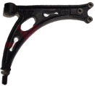 | L/R | A3/Touran/Golf/Sagitar （2005-2013） | Without ball joint without aluminum seat
JAD-A099-1 | 1K0 407 151M | 1K0 407 151AB 1K0 407 151AC 1K0 407 151Q 1K0 407 151R | 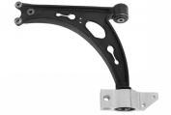 | L | A3/Touran/Golf/Sagitar （2005-2013） | Without ball joint with aluminum seat
JAD-A099-2 | 1K0 407 152M | 1K0 407 152AB 1K0 407 152AC 1K0 407 152Q 1K0 407 152R | 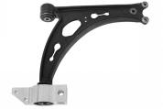 | R | A3/Touran/Golf/Sagitar （2005-2013） | Without ball joint with aluminum seat
JAD-A099-3 | 1K0 407 151M | 1K0 407 151AB 1K0 407 151AC 1K0 407 151Q 1K0 407 151R | 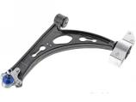 | L | A3/Touran/Golf/Sagitar （2005-2013） | With ball joint with aluminum seat（assembly）left
JAD-A099-4 | 1K0 407 152M | 1K0 407 152AB 1K0 407 152AC 1K0 407 152Q 1K0 407 152R | 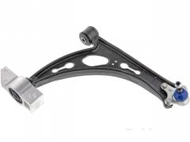 | R | A3/Touran/Golf/Sagitar （2005-2013） | With ball joint with aluminum seat（assembly）right
JAD-A100 | 8E0 407 505A |  |  | L | Allroad B5 old version
JAD-A101 | 8E0 407 506A |  |  | R | Allroad B5 old version
JAD-A102 | 8E0 407 509A |  |  | L | Allroad B5 old version
JAD-A103 | 8E0 407 510A |  |  | R | Allroad B5 old version
JAD-A104 | 8J0 407 151 D |  | 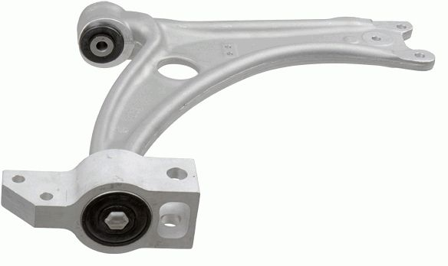 | L/R | TT/TTS(2009-2014)
JAD-A104-1 | 8J0 407 152 D |  |  | L | TT/TTS(2009-2014) | With ball pin assembly
JAD-A104-2 | 8J0 407 151 D |  | 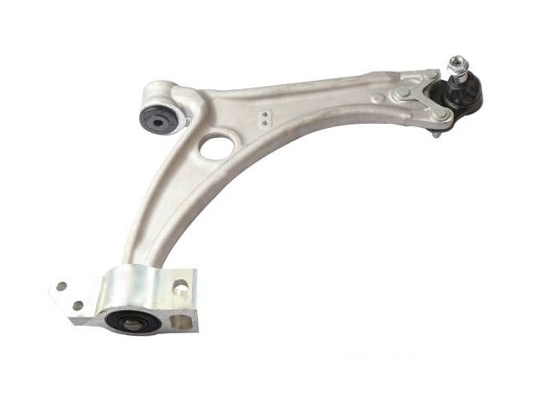 | R | TT/TTS(2009-2014) | With ball pin assembly
JAD-A105 | 1K0 407 365A |  |  | L | Q3（2013- ） Touran（2007-2018） Passat/Magotan（2005-2010）
JAD-A106 | 1K0 407 366A |  |  | R | Q3（2013- ） Touran（2007-2018） Passat/Magotan（2005-2010）
JAD-A107 | 4G0 407 693D |  | 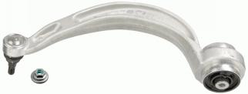 | L | A6（4G2,4GC,C7） （2010-2018 ） A6（4GH,4GJ）（2012-2018 ） A7（4GA,4GF）（2010-2018）
JAD-A108 | 4G0 407 694D |  | 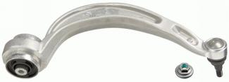 | R | A6（4G2,4GC,C7） （2010-2018 ） A6（4GH,4GJ）（2012-2018 ） A7（4GA,4GF）（2010-2018）
JAD-A109 | 7L0505397 |  |  | L | VW TouraegSUV(7LA) [2002-2013] Touraeg (7P5) [2010-2018] Audi Q7 SUV [2006-2016]
JAD-A110 | 7L0505398 |  |  | R | VW TouraegSUV(7LA) [2002-2013] Touraeg (7P5) [2010-2018] Audi Q7 SUV [2006-2016]
JAD-A111 | 7L8 407 021 |  |  | L/R | Q7/Touraeg/Cayenne | The 7P0 arm is equipped with the 7L0 bushing JT-025
JAD-A112 | 8K0 407 693T |  | 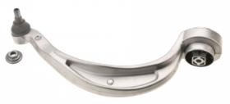 | L | VW Santana（1996-） Audi A4 saloon（8K2)(2007-2015) A4AIIroad（8KH,B8)(2009-2016) A5 Coupe（2007-2017） | Big joint Flower center bushing
JAD-A113 | 8K0 407 694T |  | 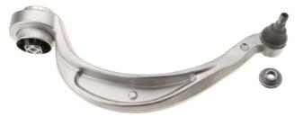 | R | VW Santana（1996-） Audi A4 saloon（8K2)(2007-2015) A4AIIroad（8KH,B8)(2009-2016) A5 Coupe（2007-2017） | Big joint Flower center bushing
JAD-A114 | 8K0 407 693T |  |  | L | Volkswagen Santana (1996-) Audi A4 Four-door Sedan (8K2)(2007-2015) A4AIIroad (8KH,B8)(2009-2016) A5 Coupe (2007-2017) | Small joint Flower center bushing
JAD-A115 | 8K0 407 694T |  |  | R | Volkswagen Santana (1996-) Audi A4 Four-door Sedan (8K2)(2007-2015) A4AIIroad (8KH,B8)(2009-2016) A5 Coupe (2007-2017) | Small joint Flower center bushing
JAD-A116 | 1K0 411 315 R |  | 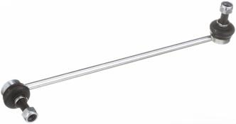 |  | Volkswagen (Import) Sharan (7N1) 2012-2016 Yi Ou (1F) 2008-2013 Scirocco (137) 2009-2014 Scirocco (138) 2015-2016 Magotan (B7) Travel 2012-2015 Tuwei/Tuhuan (5N1) 2009-2011 Tuwei/Tuhuan (5N2) 2012-2017 Golf (5K) hatchback version 2011-2014 Golf (5K) Convertible Edition 2012-2014
JAD-A117 | 8K0 407 689G |  | 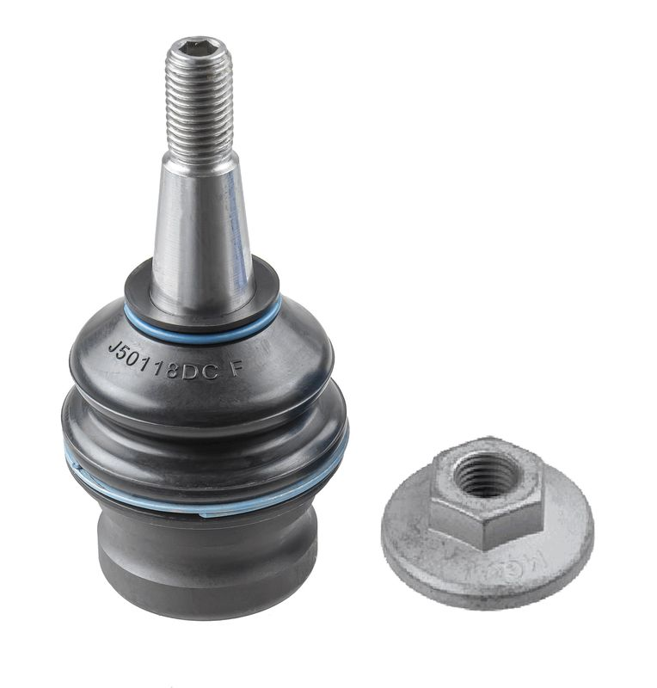 |  | Faw Audi A4L Hatchback (B8) [2007-] Q5 Off-road Vehicle [2009-]
JAD-A118 | 4G0 407 689 A | 8W0 407 689A |  |  | A4 Four-door Sedan (8K2)[2007-2015] A4 Allroad (8KH, B8)[2009-2016] A4 Station Wagon (8K5) [2007-2015] A5 Coupe [2007-2017] A5 Convertible (8F7)[2009-2017] A5 Sportback (8TA)[2009-2017] A6 (4G2, 4GC, C7)[2010-2018] A6 Allroad (4GH, 4GJ) [2012-2018] A6 Avant (4G5, 4GD, C7) [2011-2018] A7 Sportback (4GA, 4GF) [2010-2018] Q5 [2008-]
JAD-A119 | 4M0 407 689C | 4M0 407 689 C |  |  | Audi Q7 (4MB) [2015-]
JAD-A120 | 7H0 407 151E |  | 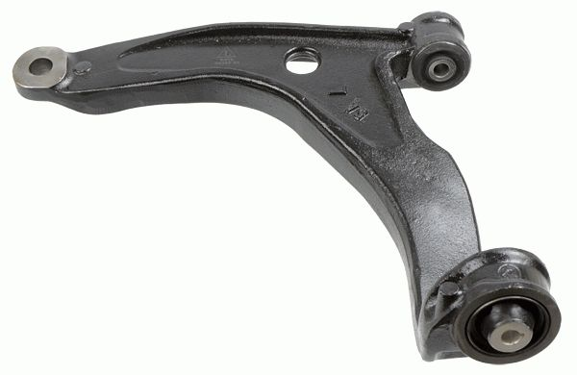 | L | Volkswagen Metway V [2003-2015] Transporter Five Generation box Vehicle (7HA,7HH) [2003-2015] Transporter 5 Generation Bus (7HB,7HJ) [2003-2015] Transporter Five generations (7JD, 7JE, 7JL, 7JY, 7JZ) [2003-2015]
JAD-A121 | 7H0 407 152E |  | 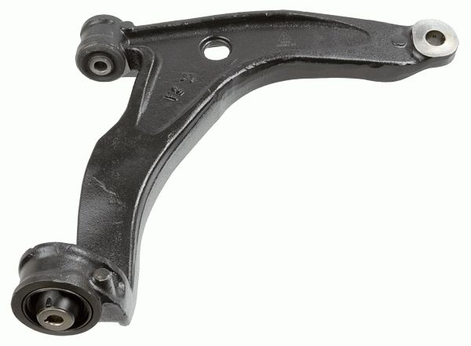 | R
JAD-A122 | 7L8 407 151D | 7L8 407 151E | 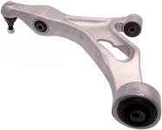 | L | Audi (Import) Q7 (4LB) 2007-2015 | It is different from the JAD-A042 large bushing
JAD-A123 | 7L8 407 152D | 7L8 407 152E | 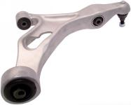 | R | Audi (Import) Q7 (4LB) 2007-2015 | It is different from the JAD-A043 large bushing
JAD-A124 | 3W0 411 317 |  | 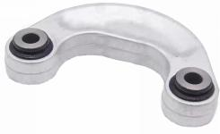 |  | Bentley
JAD-A125 | 4G0 423 811A |  | 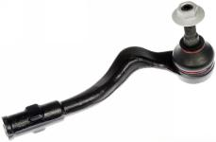 | L | A4 Four-door Sedan (8K2) [2007-2015] A4 Allroad (8KH, B8) [2009-2016] A4 Station Wagon (8K5) [2007-2015] A5 Coupe [2007-2017] A5 Convertible (8F7) [2009-2017] A5 Sportback (8TA) [2009-2017] A6 (4G2, 4GC, C7) [2010-2018] A6 Avant (4G5, 4GD, C7) [2011-2018] A7 Sportback (4GA, 4GF) [2010-2018] Q5 [2008-]
JAD-A126 | 4G0 423 812A |  | 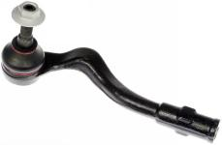 | R
JAD-A127 | 4G0 423 810A |  |  | L/R | A6 (4G2, 4GC, C7) [2010-2018] A6 Avant (4G5, 4GD, C7) [2011-2018] A7 Sportback (4GA, 4GF) [2010-2018] A8 (4H2, 4H8, 4HC, 4HL) [2009-2018] Q5 [2008-]
JAD-A128 | 4M0 423 811D |  |  | L | Q7 (4MB) [2015-]
JAD-A129 | 4M0 423 812D |  |  | R | Q7 (4MB) [2015-]
JAD-A130 | 4M0 423 810 |  |  |  | Q5 (FYB) [2016-] Q7 (4MB) [2015-]
JAD-A131 | 7L0 422 803D |  |  | L | Volkswagen (Import) Touareg (7L) 2004-2010 Touareg (7P) 2011-2018 Audi (Import) Q7 (4LB) 2007-2015
JAD-A132 | 7L0 422 804D |  |  | R | Volkswagen (Import) Touareg (7L) 2004-2010 Touareg (7P) 2011-2018 Audi (Import) Q7 (4LB) 2007-2015
JAD-A133 | 8W0 423 811 B |  | 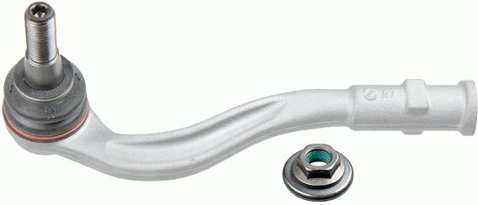 | L | Audi A4 (8W2, B9) [2015-] A4 Avant (8W5, B9) [2015-] A5 (F53) [2016-] A5 Sportback (F5A) [2016-]
JAD-A134 | 8W0 423 812 B |  | 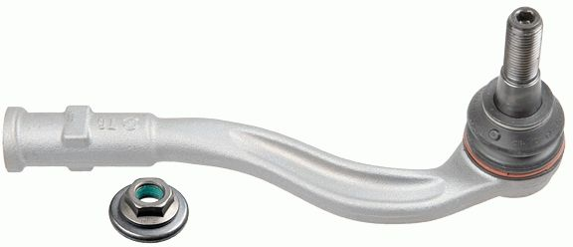 | R | Audi A4 (8W2, B9) [2015-] A4 Avant (8W5, B9) [2015-] A5 (F53) [2016-] A5 Sportback (F5A) [2016-]
JAD-A135 | 8W0 423 810 |  |  |  | Audi A4 (8W2, B9) [2015-] A4 Avant (8W5, B9) [2015-] A5 (F53) [2016-] A5 Sportback (F5A) [2016-]
JAD-A136 | 1K0 423 811C | 1K0 423 811K 1K0 423 811 A | 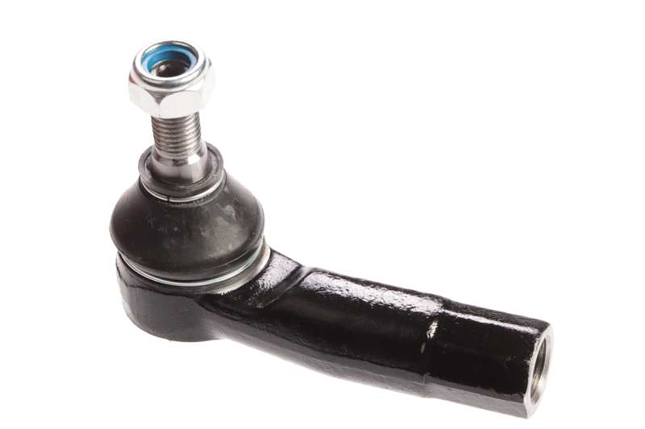 | L
JAD-A137 | 1K0 423 812C | 1K0 423 812K 1K0 423 812A | 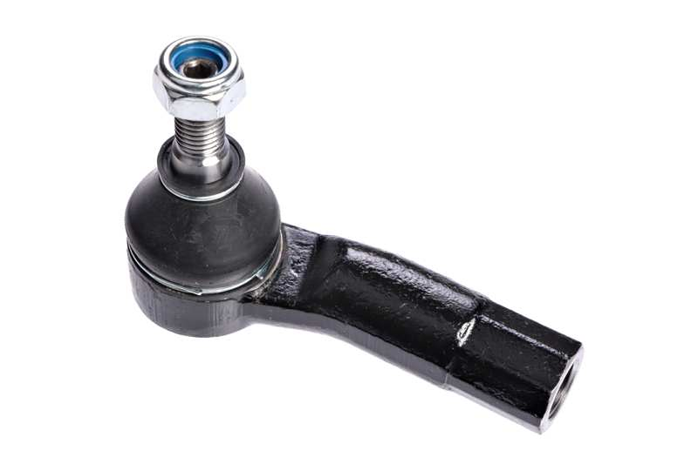 | R
JAD-A138 | 1J0 407 151 A | 1J0 407 151 B 1J0 407 151 C | 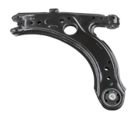 | R/L | volkswagen Bora [2008-2016] Bora (1J2)[2001-2006] Golf [2001-2009]
JAD-A139 | 561 407 151 A | 561 407 151 C | 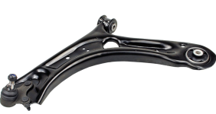 | L | volkswagen BEETLE(5C1,5C2)[2011-] BEETLE Convertible(5C7,5C8)[2011-]
JAD-A140 | 561 407 152 A | 561 407 152 C | 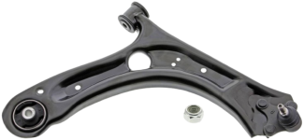 | R | volkswagen BEETLE(5C1,5C2)[2011-] BEETLE Convertible(5C7,5C8)[2011-]
JAD-A141 | 5Q0 407 151AC | 5WA 407 151 5QD 407 151F 5QD 407 151D 5QD 407 151A 5QD 407 151 5Q0 407 153E 5Q0 407 151R 5Q0 407 151Q 5Q0 407 151H 5Q0 407 151P 5Q0 407 151L 5Q0 407 151J 5Q0 407 151G | 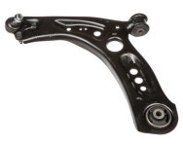 | L | volkswagen Magotan (0B3) 2019- Volkswagen (Imported) Golf (5G) hatchback version 2014-2016 Golf (5G) Travel Edition 2014-2015 Audi (Imported) A3 Sedan version (8VS) 2013-2015 A3 hatchback version (8VA) 2014-2016 A3 Convertible (8V7) 2015-2016 S3 Limousine (8VS) 2015-2016
JAD-A142 | 5Q0 407 152AC | 5WA407152 5QD407152F 5QD 407 152D 5QD 407 152A 5QD 407 152 5Q0 407 154E 5Q0 407 152R 5Q0 407 152Q 5Q0 407 152H 5Q0 407 152P 5Q0 407 152L 5Q0 407 152J 5Q0 407 152G | 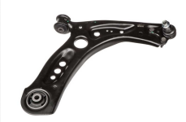 | R | volkswagen Magotan (0B3) 2019- Volkswagen (Imported) Golf (5G) hatchback version 2014-2016 Golf (5G) Travel Edition 2014-2015 Audi (Imported) A3 Sedan version (8VS) 2013-2015 A3 hatchback version (8VA) 2014-2016 A3 Convertible (8V7) 2015-2016 S3 Limousine (8VS) 2015-2016
JAD-A143 | 4Z7 407 151C |  | 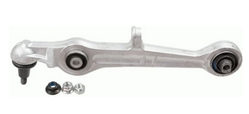 | L/R | Audi ALLROAD (4BH, C5) [2000-2005]
Audi ball joint series
JAD no. | OEM | OEM | Picture | Description | Model | Remark
JAD-A502 | 8K0 422 818A |  | 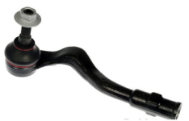 | Tie rod R | Audi A4L Sedan Version (B8) [2007-] Q5 Off-road Vehicle [2009-] Shanghai Volkswagen Santana [1996-] Audi A4 Four-door Sedan (8K2) [2007-2015] A4 Allroad (8KH, B8) [2009-2016] A4 Station Wagon (8K5) [2007-2015] A5 Two-door Sports Car [2007-2017] A5 Convertible (8F7) [2009-2017] A5 Sportback (8TA) [2009-2017] Q5 [2008-]
JAD-A503 | 5Q0 423 810 | 30939358 | 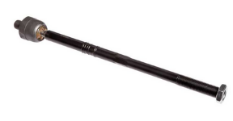 | Tie rod L/R | Volkswagen BEETLE (5C1, 5C2) [2011-]
JAD-A504 | 7L0 422 817B |  | 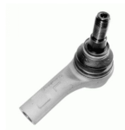 | Tie rod L | Porsche Cayenne [2010-] Cayenne SUV (955) [2002-2010] CAYENNE 2003-2013 CAYENNE S 2006-2006 Volkswagen Touareg SUV(7LA) [2002-2013] Touareg (7P5) [2010-2018] TOUAREG 2004-2014 Audi Q7 SUV [2006-2016] Q7 2007-2013
JAD-A505 | 7L0 422 818B |  | 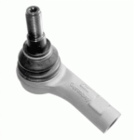 | Tie rod R | Porsche Cayenne [2010-] Cayenne SUV (955) [2002-2010] CAYENNE 2003-2013 CAYENNE S 2006-2006 Volkswagen Touareg SUV(7LA) [2002-2013] Touareg (7P5) [2010-2018] TOUAREG 2004-2014 Audi Q7 SUV [2006-2016] Q7 2007-2013
JAD-A506 | 7L0 505 465 D | 7L8 505 465 | 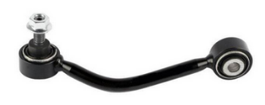 | Stabilizer link L | Volkswagen (Imported) Touareg (7L) 2004-2010 Touareg (7P) 2011-2018 Audi (Imported) Q7 (4LB) 2007-2015
JAD-A507 | 7L0 505 466D | 7L8 505 466 | 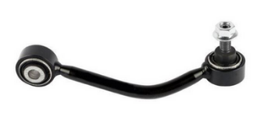 | Stabilizer link R | Volkswagen (Imported) Touareg (7L) 2004-2010 Touareg (7P) 2011-2018 Audi (Imported) Q7 (4LB) 2007-2015
JAD-A508 | 4E0 419 811C | 4E0 419 811E 4E0 419 811D | 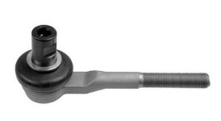 | Tie rod L/R | Bentley (imported) Continental Generation Convertible 2007-2012 Continental Hardtop Edition 2004-2012 The first generation of Flying Spur 2005-2013
JAD-A509 | 4D0 411 317J |  | 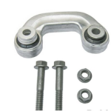 | Stabilizer link L/R | Audi A4 Four-door Sedan (8D2,B5) [1994-2001] A4 Station Wagon (8D5,B5) [1994-2001]

Porsche
SHANDONG JAD MACHINING CO.,LTD
Porsche Control arm
JAD no. | OEM | OEM | Picture | Description | Model | Remark
JAD-B001 | 970 341 051 22 | 970 341 051 23 | 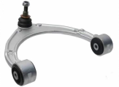 | L/R | Panamera(970)(2010-2016)
JAD-B002 | 970 341 053 04 |  |  | L | Panamera(970)(2010-2016)
JAD-B003 | 970 341 054 04 |  |  | R | Panamera(970)(2010-2016)
JAD-B004 | 970 341 053 23 | 970 341 053 24 |  | L | Panamera(970)(2010-2016)
JAD-B005 | 970 341 054 23 | 970 341 054 24 |  | R | Panamera(970)(2010-2016)
JAD-B006 | 971 407 021 D |  | 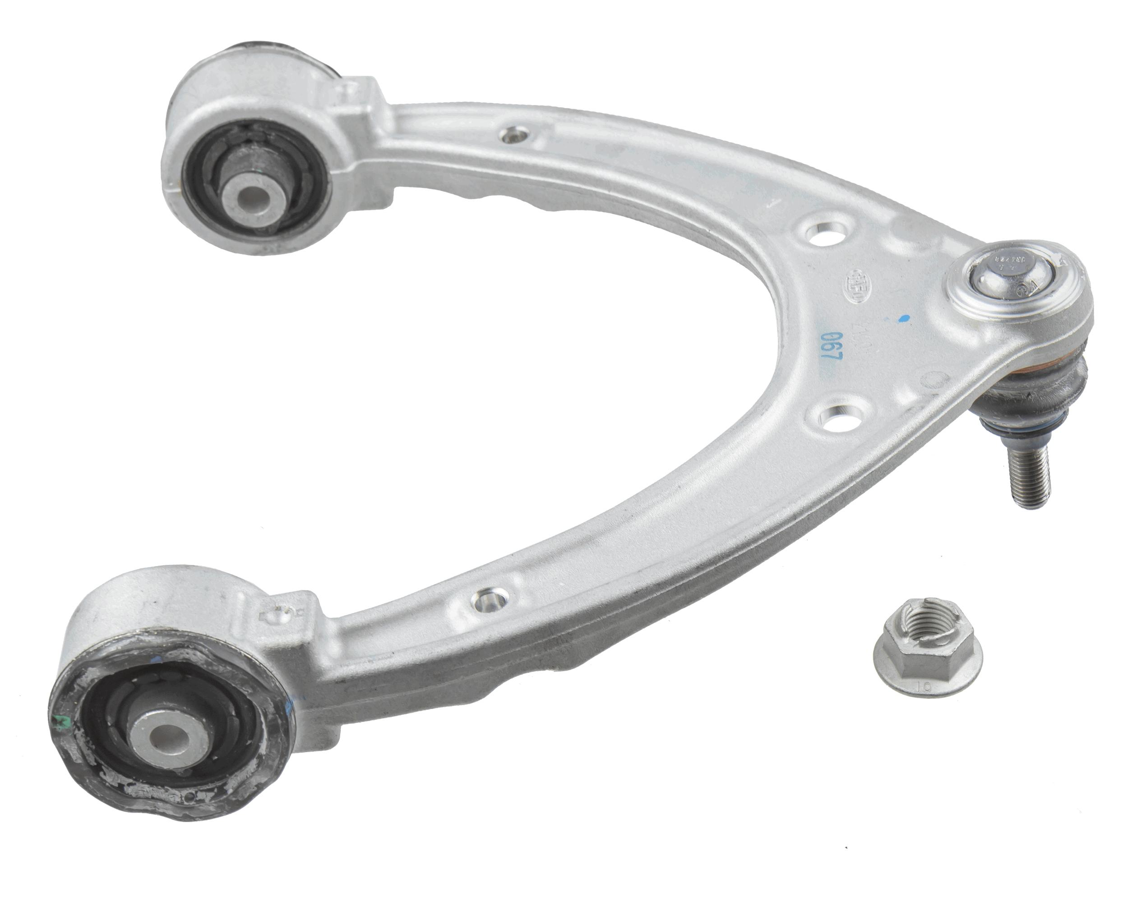 | L/R | Paramela (971) 2016-2024
JAD-B007 | 971 407 151H |  | 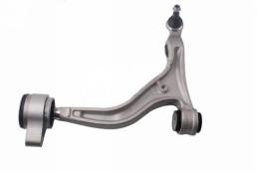 | L | Paramela (971) 2016-2024
JAD-B008 | 971 407 152H |  | 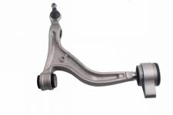 | R | Paramela (971) 2016-2024
JAD-B009 | 970 341 051 10 | 970 341 051 03 970 341 151 01 | 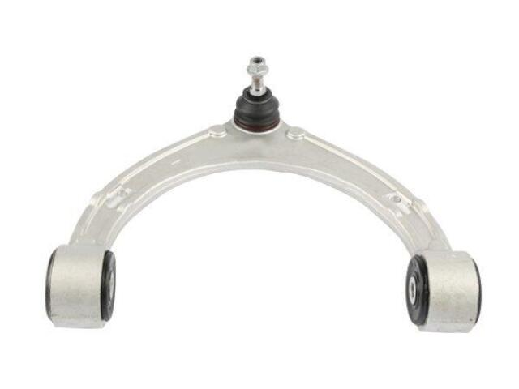 | L/R | Porsche (Imported) Palamela (970) 2010-2016

BMW
SHANDONG JAD MACHINING CO.,LTD
BMW Control arm
JAD no. | OEM | OEM | Picture | Description | Model | Remark
JAD-C001 | 3112 6758 520S |  |  | R | 3 Serie(E46)(1998-2005) Z4(E85)(2003-2009) | Assembly
JAD-C002 | 3112 6758 519S |  |  | L | 3 Serie(E46)(1998-2005) Z4(E85)(2003-2009) | Assembly
JAD-C003 | 3112 6758 520 | 3112 1094 466 3112 6751 318 3112 6752 718 3112 6774 820 |  | R | 3 Serie(E46)(1998-2005) Z4(E85)(2003-2009) | Without aluminum seat
JAD-C004 | 3112 6758 519 | 3112 1094 465 3112 6751 317 3112 6752 717 3112 6752 317 |  | L | 3 Serie(E46)(1998-2005) Z4(E85)(2003-2009) | Without aluminum seat
JAD-C005 | 3112 6760 181 |  |  | L | 5 Serie(E60/E61)(2003-2010)
JAD-C006 | 3112 6760 182 |  | 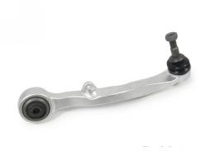 | R | 5 Serie(E60/E61)(2003-2010)
JAD-C007 | 31126774 825 | 3112 6765 995 3112 4046 437 3112 6760 183 3110 4026 719 |  | L | 5 Serie(E60/E61)(2003-2010)
JAD-C008 | 3112 6774 826 | 3112 6765 996 3112 4046 438 3112 6760 184 3110 4026 720 |  | R | 5 Serie(E60/E61)(2003-2011)
JAD-C009 | 3112 6777 939 | 3112 6755 835 3112 6770 121 3112 6770 837 3112 6777 937 |  | L | 7 Serie(E65/E66)(2001-2008) 6 Serie(E63/E64)(2004-2010)
JAD-C010 | 3112 6777 940 | 3112 6755 836 3112 6770 122 3112 6777 938 3112 6770 772 |  | R | 7 Serie(E65/E66)(2001-2008) 6 Serie(E63/E64)(2004-2010)
JAD-C011 | 3112 6774 831 | 3112 6765 993 3112 6760 519 3112 4026 453 3112 6756 101 |  | L | 7 Serie(E65/E66)(2001-2008)
JAD-C012 | 3112 6774 832 | 3112 6765 994 3112 6756 102 3112 4026 454 3112 6760 520 |  | R | 7 Serie(E65/E66)(2001-2008)
JAD-C013 | 3112 6770 849 | 3112 6763 699 3112 6769 793 |  | L | 3 Serie(E90/E46)(2005-2012) 1 Serie(E81)(2006-2011) X1(E84)(2009-2015)
JAD-C014 | 3112 6770 850 | 3112 6763 700 3112 6769 794 |  | R | 3 Serie(E90/E46)(2005-2012) 1 Serie(E81)(2006-2011) X1(E84)(2009-2015)
JAD-C015 | 3112 6769 797 | 3112 4036 269 3112 6763 703 3112 6769 801 3112 6763 707 |  | L | 3 Serie(E90/E46)(2005-2012) 1 Serie(E81)(2006-2011) X1(E84)(2009-2015)
JAD-C016 | 3112 6769 798 | 3112 4036 270 3112 6763 704 3112 6769 802 3112 6763 708 |  | R | 3 Serie(E90/E46)(2005-2012) 1 Serie(E81)(2006-2011) X1(E84)(2009-2015)
JAD-C017 | 3112 6771 893 |  |  | L | X5(E70)(2006-2013) X6(E71/E72)(2008-2014)
JAD-C018 | 3112 6771 894 |  |  | R | X5(E70)(2006-2013) X6(E71/E72)(2008-2014)
JAD-C019 | 3112 6773 949 |  |  | L | X5(E70)(2006-2013) X6(E71/E72)(2008-2014)
JAD-C020 | 3112 6773 950 |  |  | R | X5(E70)(2006-2013) X6(E71/E72)(2008-2014)
JAD-C021 | 3112 6776 417 |  |  | L | X5(E70)(2002-2018) X6(E71/E72)(2005-2019)
JAD-C022 | 3112 6776 418 |  |  | R | X5(E70)(2002-2018) X6(E71/E72)(2005-2019)
JAD-C023 | 3112 6794 203 |  |  | L | 5 Serie(F10)(2010-2016)
JAD-C024 | 3112 6794 204 |  |  | R | 5 Serie(F10)(2010-2016)
JAD-C025 | 3112 6775 971 |  | 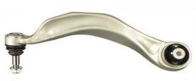 | L | 5 Serie(F10)(2010-2016)
JAD-C026 | 3112 6775 972 |  |  | R | 5 Serie(F10)(2010-2016)
JAD-C027 | 3112 6798 107 | 3112 6775 963 3112 6850 781 |  | L | 7 Serie(F02)(2009-2012) 5 SerieGT(F07)(2010-2013)
JAD-C028 | 3112 6798 108 | 3112 6775 964 3112 6850 782 |  | R | 7 Serie(F02)(2009-2012) 5 SerieGT(F07)(2010-2013)
JAD-C029 | 3112 6775 959 |  |  | L | 7 Serie(F02)(2009-2012) 5 SerieGT(F07)(2010-2013)
JAD-C030 | 3112 6775 960 |  |  | R | 7 Serie(F02)(2009-2012) 5 SerieGT(F07)(2010-2013)
JAD-C031 | 3112 6852 991 |  |  | L | 3 Serie(F30/F80)(2011-2018)
JAD-C032 | 3112 6852 992 |  |  | R | 3 Serie(F30/F80)(2011-2018)
JAD-C033 | 3112 6855 741 |  |  | L | 3 Serie(F30/F80)(2011-2018)
JAD-C034 | 3112 6855 742 |  |  | R | 3 Serie(F30/F80)(2011-2018)
JAD-C035 | 3112 6787 669 |  |  | L | X3(F25)(2011-2017) X4(F26)(2014-2018)
JAD-C036 | 3112 6787 670 |  |  | R | X3(F25)(2011-2017) X4(F26)(2014-2018)
JAD-C037 | 3110 6787 673 |  |  | L | X3(F25)(2011-2017) X4(F26)(2014-2018)
JAD-C038 | 3110 6787 674 |  |  | R | X3(F25)(2011-2017) X4(F26)(2014-2018)
JAD-C039 | 3112 6864 821 |  |  | L | X5(F15)(2013-2018) X6(F16)(2014-2019)
JAD-C040 | 3112 6864 822 |  |  | R | X5(F15)(2013-2018) X6(F16)(2014-2019)
JAD-C041 | 3112 6851 691 |  |  | L | X5(F15)(2013-2018) X6(F16)(2014-2019)
JAD-C042 | 3112 6851 692 |  |  | R | X5(F15)(2013-2018) X6(F16)(2014-2019)
JAD-C043 | 3332 6777 424 | 3332 1096 797 3332 6768 268 3332 0300 946 3332 0398 361 3332 0403 294 |  | L/R | 5 Serie(E60)(2002-2009) 7 Serie(E66)(2000-2008)
JAD-C044 | 3112 1093 449 | 3112 1094 233 |  | L | 5 Serie(E39)(1995-2004)
JAD-C045 | 3112 1093 450 | 3112 1094 234 |  | R | 5 Serie(E39)(1995-2004)
JAD-C046 | 3112 1141 717 | 3112 1092 023 |  | L | 5 Serie(E39)(1996-2004)
JAD-C047 | 3112 1141 718 | 3112 1092 024 |  | R | 5 Serie(E39)(1996-2004)
JAD-C048 | 3332 1095 414 | 3332 6774 796 3332 6768 269 3332 6770 742 |  | L/R | X5(E53)(2000-2006)
JAD-C049 | 3110 6861 185 |  | 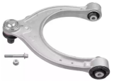 | L/R | 5 Serie(G38)(2017- 2020) 5 Serie(G38)(2020- 2021) 5 Serie(G30)(2017- 2020)
JAD-C050 | 3112 6866 231 | 31 10 6 861 177 |  | L | 5 Serie(G38)(2017- 2020)
JAD-C051 | 3112 6866 232 | 31 10 6 861 178 |  | R | 5 Serie(G38)(2017- 2020)
JAD-C052 | 3110 6861 161 |  |  | L | 5 Serie(G30/G38) (2017-2020)
JAD-C053 | 3110 6861 162 |  |  | R | 5 Serie(G30/G38) (2017-2020)
JAD-C054 | 3112 6775 967 |  |  | L/R | 5 Serie(F10/F18)(2011-2017) 7 Serie(F02)(2009-2015) 6 Serie(F06/F12/F13) (2001-2015)
JAD-C055 | 3112 6768 983 |  |  | L | X1(E84)(2010-2015)
JAD-C056 | 3112 6768 984 |  |  | R | X1(E84)(2010-2015)
JAD-C057 | 3110 3415 027 | 3110 3412 135 3110 3418 337 3110 3426 433 3110 3451 881 |  | L | X3(E83)(2005-2006)
JAD-C058 | 3110 3415 028 | 3110 3412 136 3110 3418 338 3110 3426 434 3110 3451 882 |  | R | X3(E83)(2005-2006)
JAD-C059 | 3110 3443 127 | 3110 3412 137 |  | L | X3(E83)(2005-2006)
JAD-C060 | 3110 3443 128 | 3110 3412 138 |  | R | X3(E83)(2005-2006)
JAD-C061 | 3112 6760 275 | 3112 1096 315 |  | L | X5(E53)(2000-2006)
JAD-C062 | 3112 6760 276 | 3112 1096 316 |  | R | X5(E53)(2000-2006)
JAD-C063 | 3112 1096 169 | 3112 6769 717 |  | L | X5(E53)(2000-2006)
JAD-C064 | 3112 1096 170 | 3112 6769 718 |  | R | X5(E53)(2000-2006)
JAD-C065 | 3112 6777 739 |  |  | L | 5 SerieGT(F07)(2010-2013) 7 Serie(F02)(2009-2012) 7 Serie(F04)(2010-2011) | Iron
JAD-C066 | 3112 6777 740 |  |  | R | 5 SerieGT(F07)(2010-2013) 7 Serie(F02)(2009-2012) 7 Serie(F04)(2010-2011) | Iron
JAD-C067 | 3112 6777 729 | 3112 4081 431 |  | L | 5 SerieGT(F07)(2010-2013) 7 Serie(F02)(2009-2012) 7 Serie(F04)(2010-2011)
JAD-C068 | 3112 6777 730 | 3112 4081 432 |  | R | 5 SerieGT(F07)(2010-2013) 7 Serie(F02)(2009-2012) 7 Serie(F04)(2010-2011)
JAD-C069 | 3110 6861 181 |  |  | L | 7 Serie (G11, G12) [2014-] | Aluminum
JAD-C070 | 3110 6861 182 |  |  | R | 7 Serie (G11, G12) [2014-] | Aluminum
JAD-C078 | 3112 6854 727 |  | 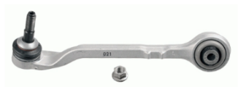 | L | 3 series (F30/F35) (2013-2019) 3 series GT(F34)(2014-) 4 series (F32/F33/F36) (2014- ) | F30 four-wheel drive
JAD-C079 | 3112 6854 728 |  | 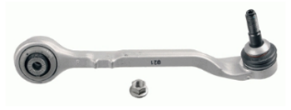 | R | 3 series (F30/F35) (2013-2019) 3 series GT(F34)(2014-) 4 series (F32/F33/F36) (2014- ) | F30 four-wheel drive
JAD-C080 | 3112 6854 723 |  | 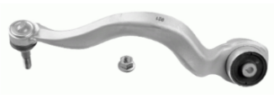 | L | 3 series (F30/F35) (2013-2019) 3 series GT(F34)(2014-) 4 series (F32/F33/F36) (2014- ) | F30 four-wheel drive
JAD-C081 | 3112 6854 724 |  |  | R | 3 series (F30/F35) (2013-2019) 3 series GT(F34)(2014-) 4 series (F32/F33/F36) (2014- ) | F30 four-wheel drive
JAD-C082 | 3110 6870 971 |  |  | L | X3(G01)(2017-) X4(G02)(2018-)
JAD-C083 | 3110 6870 972 |  |  | R | X3(G01)(2017-) X4(G02)(2018-)
JAD-C084 | 3110 6890 903 |  |  | L | X3(G01)(2017-) X4(G02)(2018-)
JAD-C085 | 3110 6890 904 |  |  | R | X3(G01)(2017-) X4(G02)(2018-)
JAD-C087 | 3110 6861 169 |  |  | L | 7 Serie (G11, G12) [2014-]
JAD-C088 | 3110 6861 170 |  |  | R | 7 Serie (G11, G12) [2014-]
JAD-C089 | 3110 6861 151 |  |  | L | 7 Serie (G11, G12) [2014-]
JAD-C090 | 3110 6861 152 |  |  | R | 7 Serie (G11, G12) [2014-]
JAD-C091 | 3110 6868 530 |  |  | L/R | 7 Serie (G11, G12) [2014-]
JAD-C096 | 3112 6757 623 | 3112 6756 063 |  | L | 3 Serie(E46)(2003-2006) Z4(E85)(2002-2008) | E46 Aluminum Seat
JAD-C097 | 3112 6757 624 | 3112 6756 064 |  | R | 3 Serie(E46)(2003-2006) Z4(E85)(2002-2008) | E46 Aluminum Seat
JAD-C098 | 3332 1097 264 | 3332 6768 791 3332 1090 745 |  | L/R | 5 Serie(E39)(1995-2004) 7 Serie(E38)(1994-2001)
JAD-C099 | 3112 6779 908 |  |  | L/R | 5 Serie Saloon(F10) [2009-2016] 5 Gran Turismo (F07) [2009-2017] 7 (F01, F02, F03, F04) [2008-2015] | Different ball pin center distance
...

